Sheet1
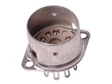 | Belton 9 Pin Miniature Chassis Mount Socket | $2.13 | 14 | $29.82
 | Bulk Discount: -$1.12 x 14
 | ($15.68)

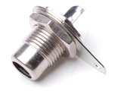 | Switchcraft 3501FR RCA Jack | $2.45 | 4 | $9.80
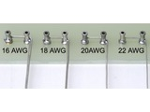 | Tin Plated Copper Buss Wire | $0.28 | 10 | $2.80
 | Bulk Discount: -$0.02 x 10
 | ($0.20)

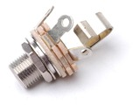 | Switchcraft L12A 1/4" Jack | $2.25 | 6 | $13.50
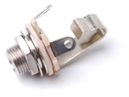 | Switchcraft 11 1/4" Jack | $1.95 | 6 | $11.70
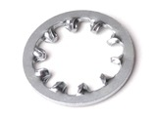 | Lock Washer, Internal Tooth - 3/8" | $0.15 | 7 | $1.05
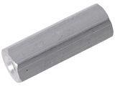 | #6 Female/Female Hex Aluminum Standoff | $0.43 | 40 | $17.20
 | Bulk Discount: -$0.17 x 40
 | ($6.80)

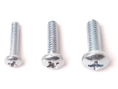 | 6-32 Phillips Pan Head | $0.03 | 80 | $2.40
 | Bulk Discount: -$0.02 x 80
 | ($1.60)

 | 6-32 Phillips Pan Head | $0.05 | 10 | $0.50
 | 6-32 Phillips Pan Head | $0.05 | 10 | $0.50
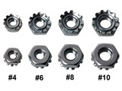 | 6-32 Machine Screw Keps Nut | $0.08 | 10 | $0.80
 | Bulk Discount: -$0.02 x 10
 | ($0.20)

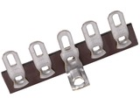 | 5 Lug Terminal Strip | $0.65 | 4 | $2.60
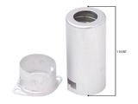 | Miniature Shield | $0.83 | 14 | $11.62
 | Bulk Discount: -$0.12 x 14
 | ($1.68)

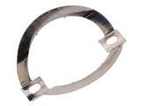 | Octal Tube Clip Suitable For Fender® Brand Amplifiers | $1.07 | 10 | $10.70
 | Bulk Discount: -$0.88 x 10
 | ($8.80)

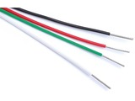 | 18 Ga. Stranded, Tin Plated, Aerospace Grade, Tefzel Wire | $0.41 | 10 | $4.10
 | Bulk Discount: -$0.04 x 10
 | ($0.40)

 | 18 Ga. Stranded, Tin Plated, Aerospace Grade, Tefzel Wire | $0.41 | 10 | $4.10
 | Bulk Discount: -$0.04 x 10
 | ($0.40)

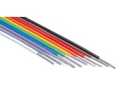 | 20 Ga. Stranded, Tin Plated, Aerospace Grade, Tefzel Wire | $0.40 | 7 | $2.80
 | 20 Ga. Stranded, Tin Plated, Aerospace Grade, Tefzel Wire | $0.37 | 13 | $4.81
 | Bulk Discount: -$0.03 x 13
 | ($0.39)

 | 20 Ga. Stranded, Tin Plated, Aerospace Grade, Tefzel Wire | $0.37 | 13 | $4.81
 | Bulk Discount: -$0.03 x 13
 | ($0.39)

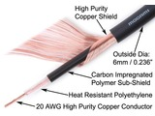 | Mogami W2524 Instrument Cable | $0.95 | 20 | $19.00
 | Bulk Discount: -$0.14 x 20
 | ($2.80)

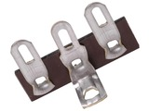 | 3 Lug Terminal Strip | $0.50 | 2 | $1.00
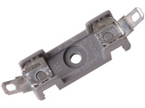 | AGC Fuse Block | $3.95 | 1 | $3.95
 | 18 Ga. Stranded, Tin Plated, Aerospace Grade, Tefzel Wire | $0.41 | 10 | $4.10
 | Bulk Discount: -$0.04 x 10
 | ($0.40)

 | 20 Ga. Stranded, Tin Plated, Aerospace Grade, Tefzel Wire | $0.37 | 10 | $3.70
 | Bulk Discount: -$0.03 x 10
 | ($0.30)

